Pictorial Wall Chart
Notes
The text sizing on this spreadsheet is designed for an A3 size sheet.
However, in Excel, when viewing at different zooms, the text may not appear to be in the correct proportion.
To print, first save as a PDF file (it will be A3 size), then print that pdf file onto whatever sheet you want eg A0.
International Society for Trenchless Technology
https://www.istt.com
Updated: TEC 2026-07-30 Panel Lining & Polymeric Coating / Lining added
 |  | TRENCHLESS TECHNOLOGIES - PICTORIAL WALL CHART
 |  |  | This Pictorial Wall Chart is based on the ISTT Trenchless Technologies Wall Chart and the website Trenchless Technology chart.
 |  |  | (These, and this Pictorial Chart are available on the ISTT website (www.istt.com) )

 |  |  |  |  |  |  |  |  |  |  | TRENCHLESS TECHNOLOGY

 |  |  |  |  | Rehabilitation |  |  |  |  |  |  |  |  |  |  | New Installation |  |  |  | Investigation

 | Replacement |  |  |  |  | Renovation |  |  | Repair |  |  |  | Trenchless Installations |  |  |  | Allied Technologies |  | (Some Common Methods)

 |  | Replacement Slip Lining |  |  |  |  |  |  |  | Joint Grouting |  |  |  | Horizontal Directional Drilling (HDD) |  |  |  | Mole Ploughing |  | Ground Penetrating Radar (GPR)

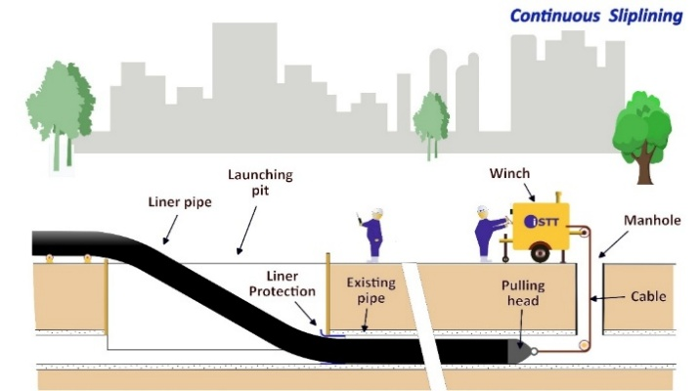
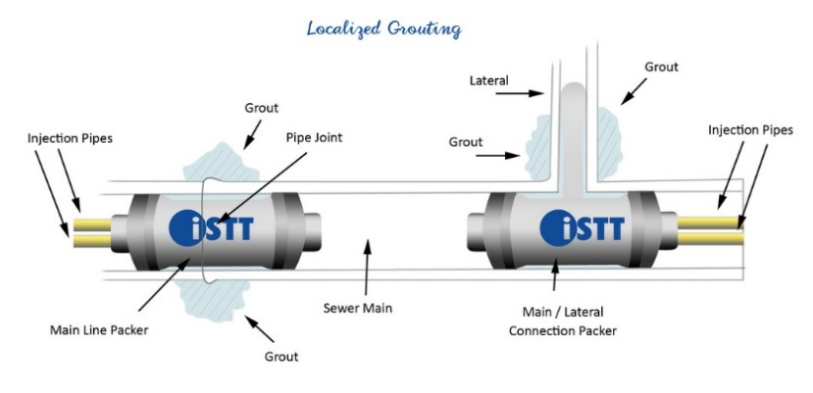
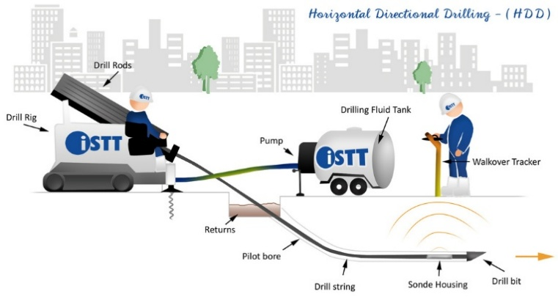
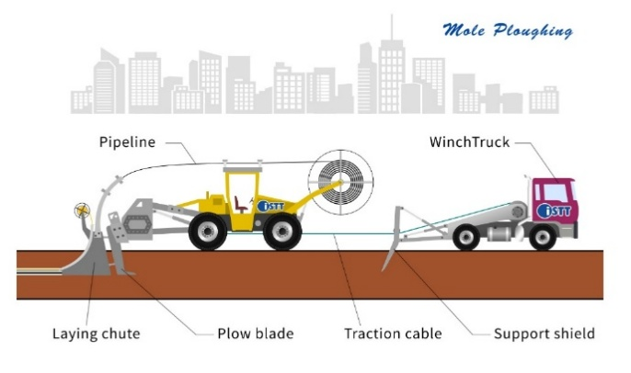
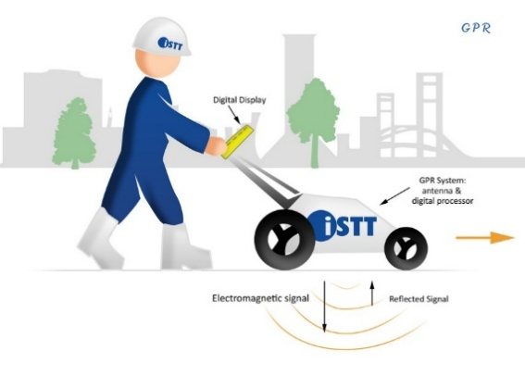
 |  |  |  | Renovation Slip Lining |  |  | Grout-in-Place Hose


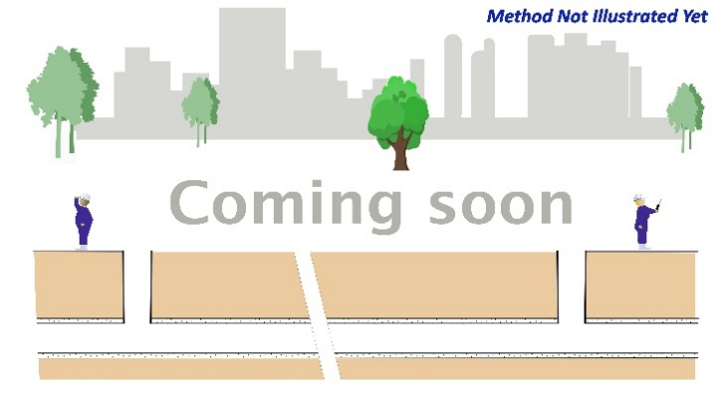

 |  | Pipe Bursting |  |  |  |  |  |  |  | Flood Grouting |  |  |  | Pipe Jacking / Microtunnelling |  |  |  | Micro-trench |  | CCTV

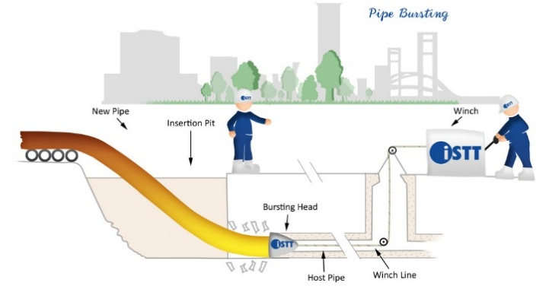
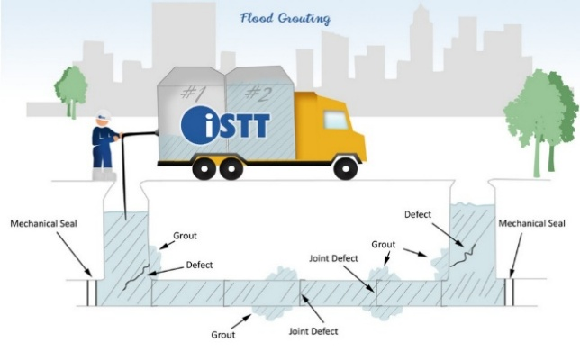
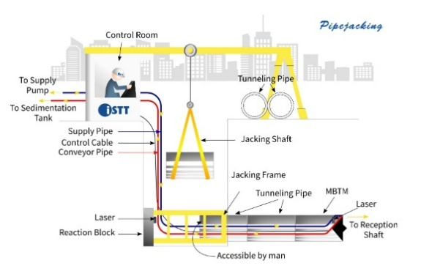
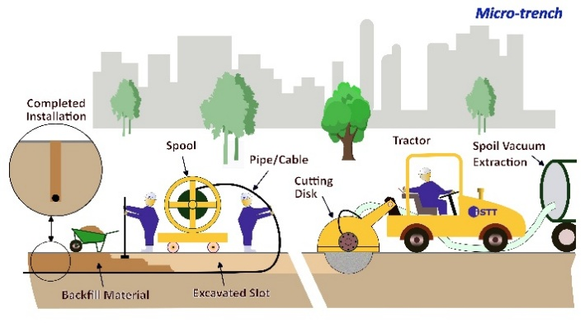
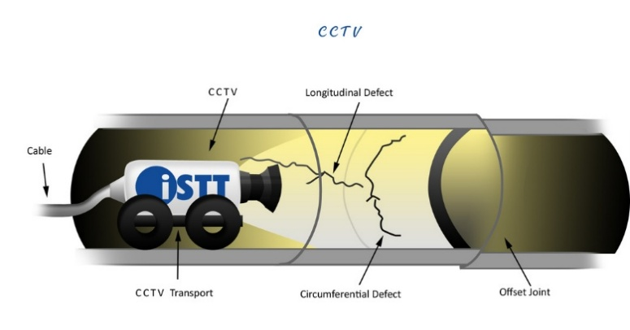
 |  |  |  | Cured-in-Place Pipe (CIPP) |  |  | Cement / Mortar Lining

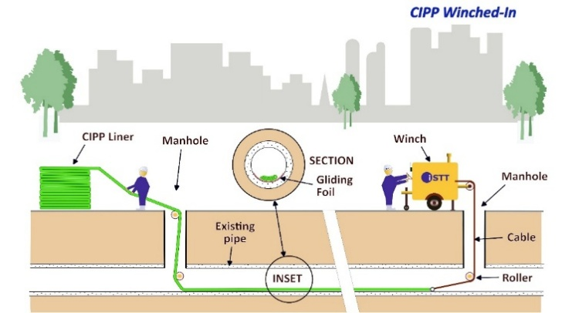
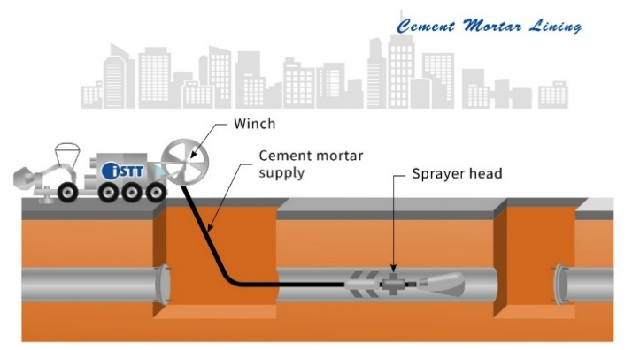
 |  |  |  |  |  |  |  |  |  |  |  |  |  |  |  |  |  |  |  |  | 0

 |  | Pipe Splitting |  |  |  |  |  |  |  | Mechanical Seals |  |  |  | Direct Steerable Pipe Thrusting (DSPT) |  |  |  | Mini-trench |  | Zoom Camera
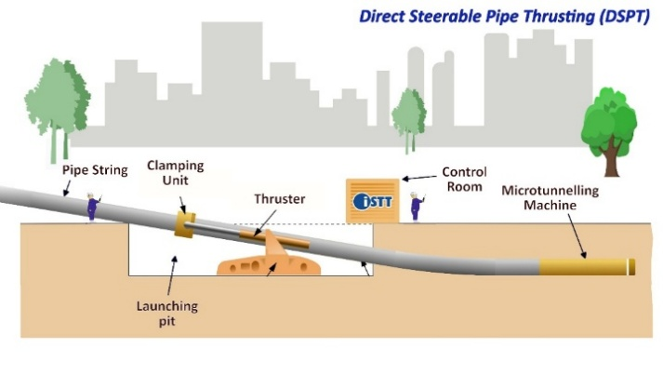
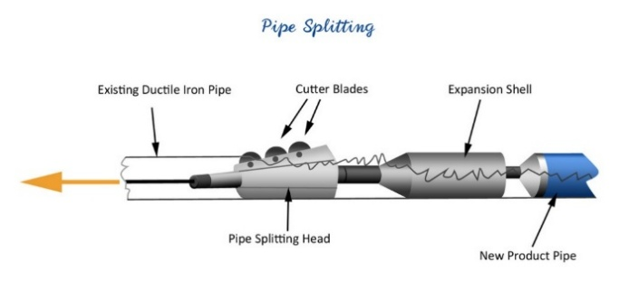
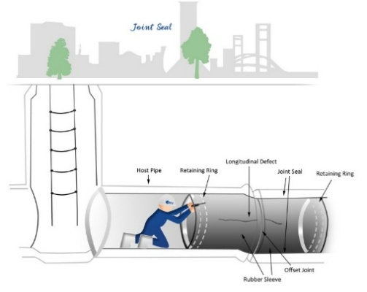
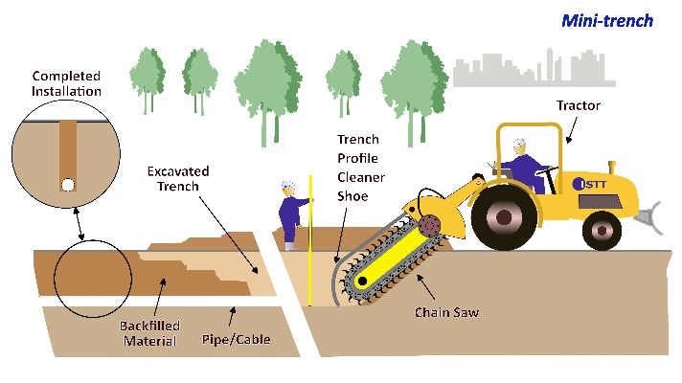
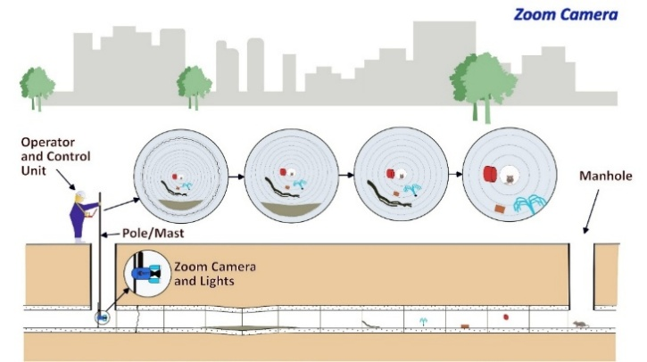
 |  |  |  | Swaged Lining |  |  | Polymeric Coating / Lining
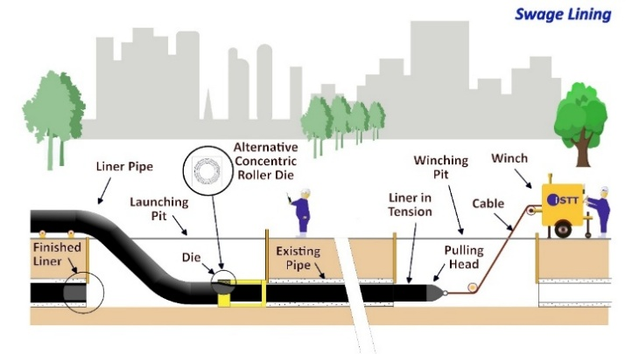
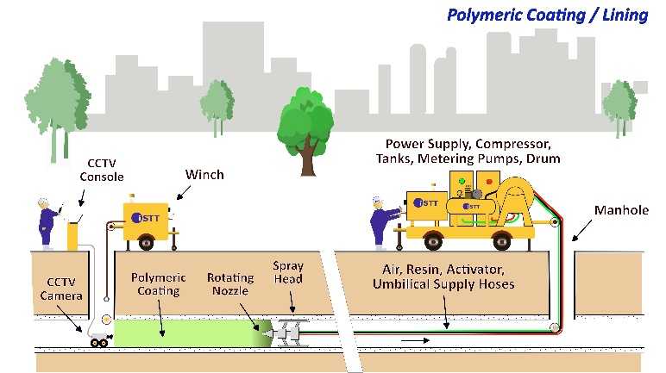

 |  | Pipe Reaming
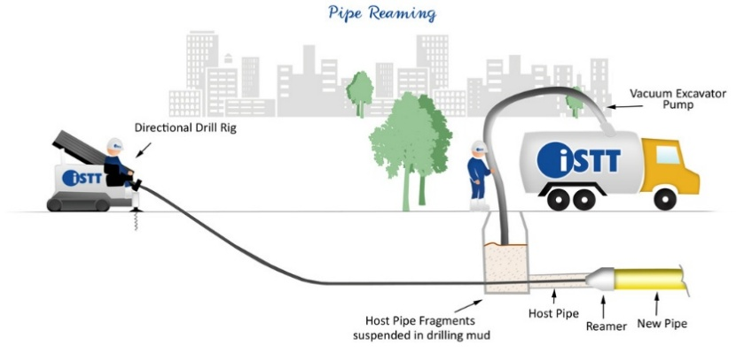
 |  |  |  |  |  |  |  |  |  | Robotic Spot Repair |  |  |  | Pipe Ramming |  |  |  | Conventional Tunneling |  | Laser / LIDAR
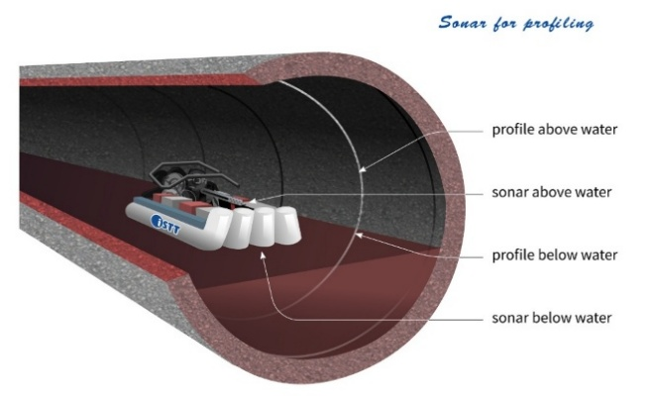
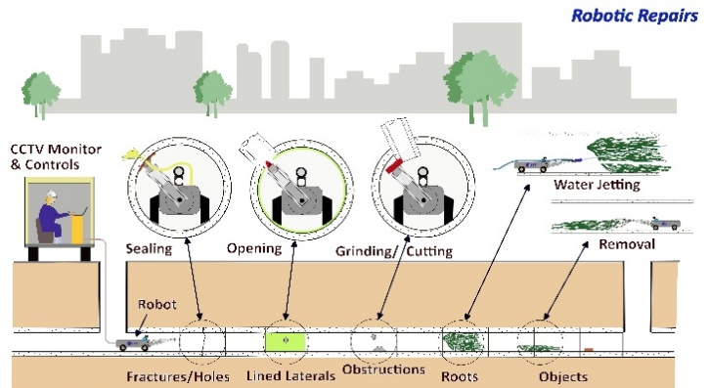
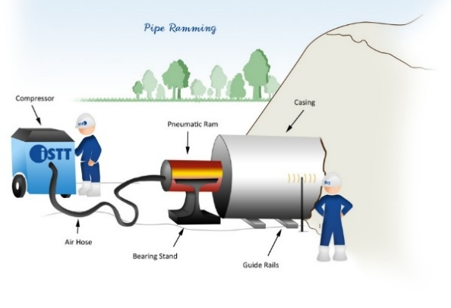
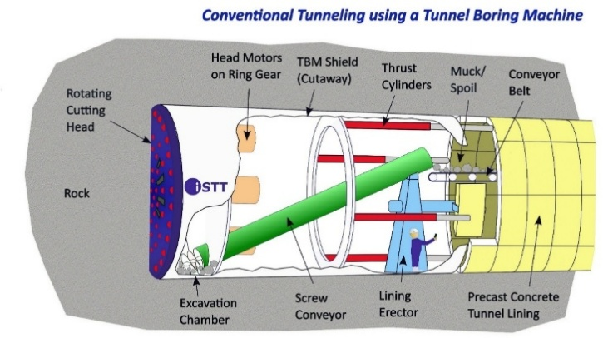
 |  |  |  | Rolled Down Lining |  |  | Panel Lining
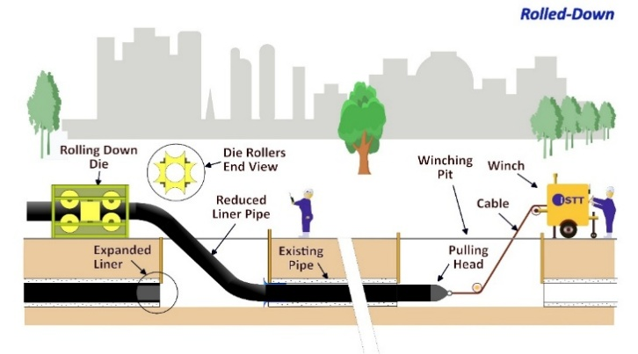
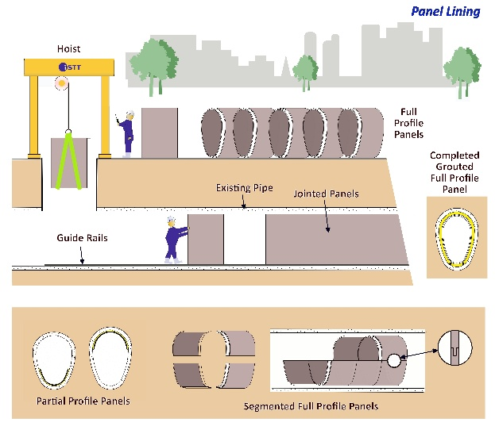

 |  | Pipe Eating

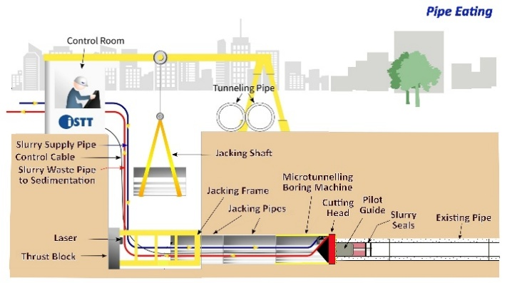
 |  |  |  |  |  |  |  |  |  | CIPP Patch Repair |  |  |  | Impact Moling |  |  |  | Potholing/Keyholing, Coring, Vacuum Excavation |  | Smoke and Dye

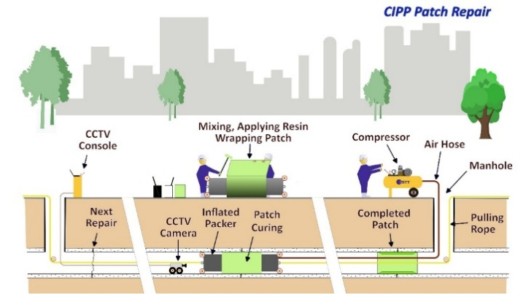
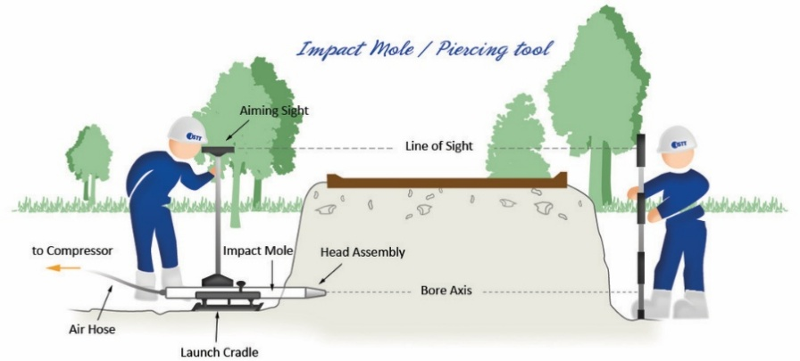
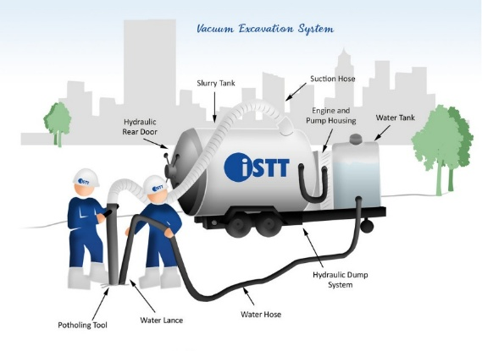
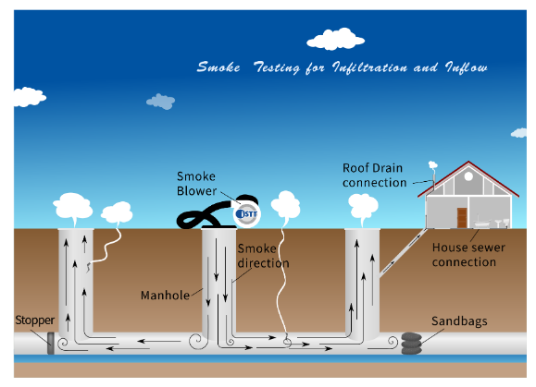
 |  |  |  | Fold-and-Form
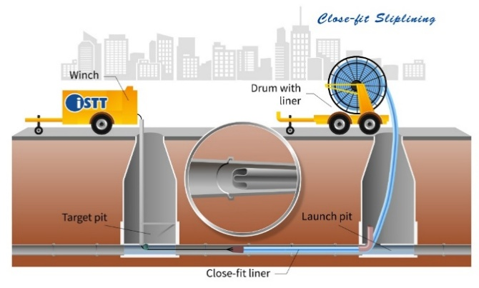
 |  |  |  |  |  |  | Troweled or Sprayed Structural Lining
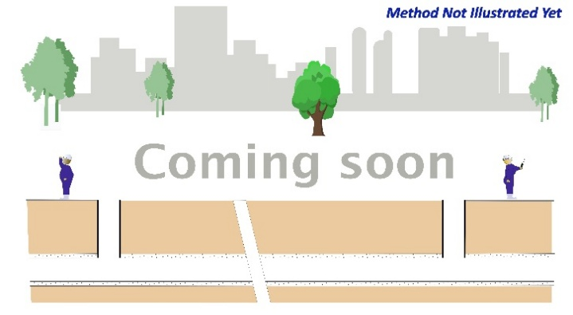

 |  | Pipe Extraction

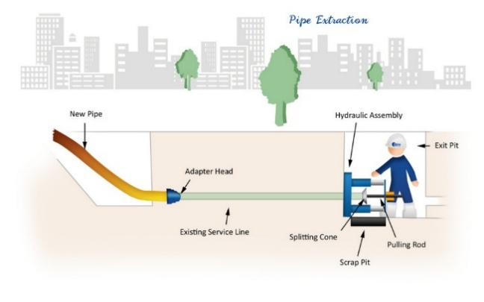
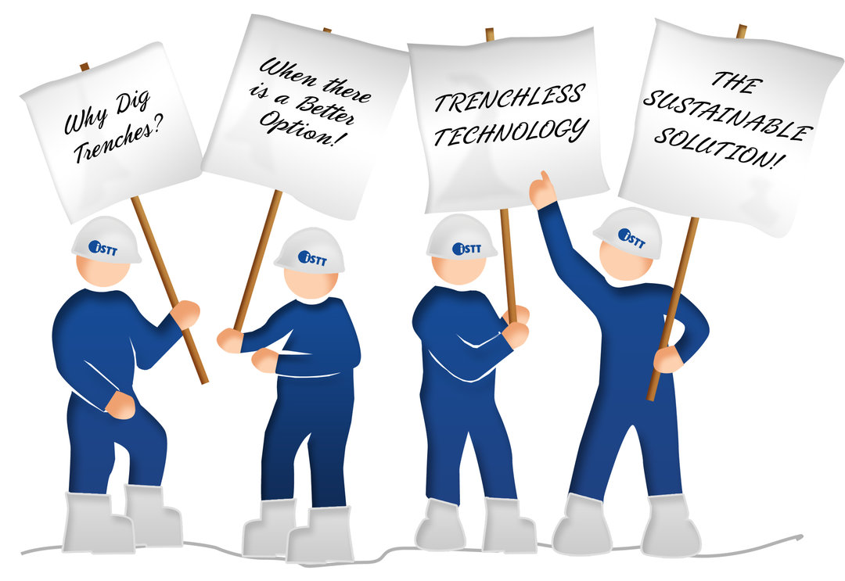
 |  |  |  |  |  |  |  |  |  | Lateral Junction CIP Repair |  |  |  | Pilot Tube Assist Technologies
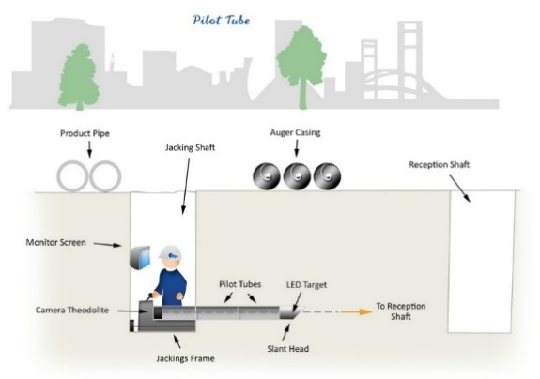
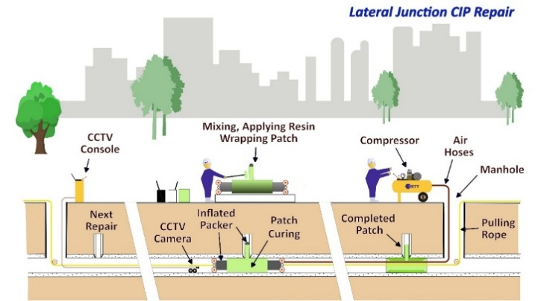
 |  |  |  | Melt-in-Place-Pipe (MIPP)
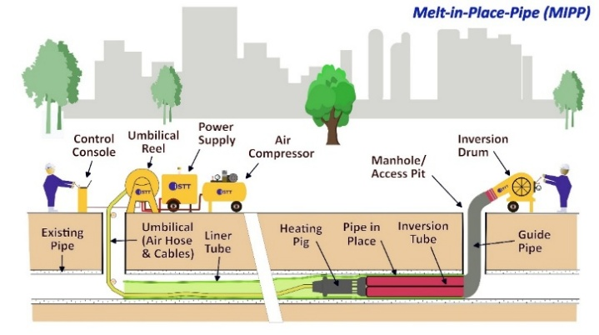
 |  |  |  |  |  |  |  | Manhole Rehabilitation

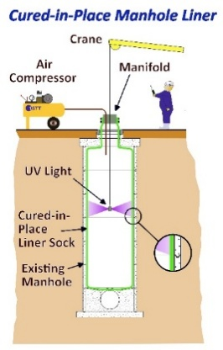
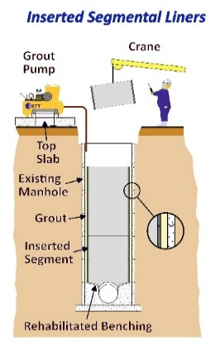

 |  |  |  |  |  |  |  |  |  | Potholing for Local Repair |  |  |  | Ram-assist Technologies


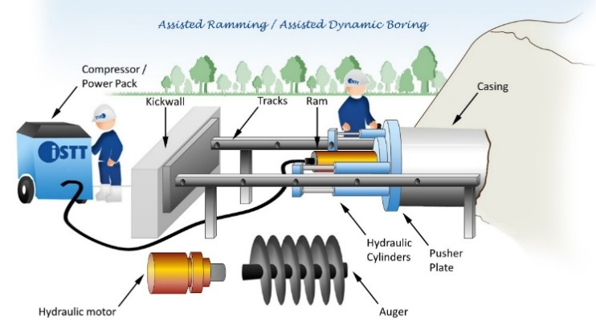
 |  |  |  | Spiral-Wound

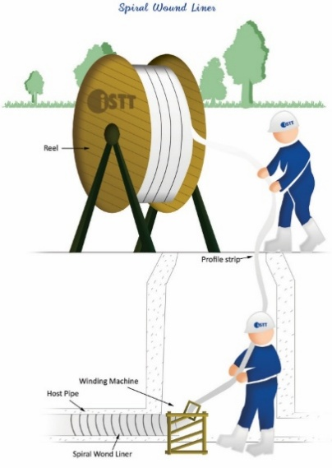
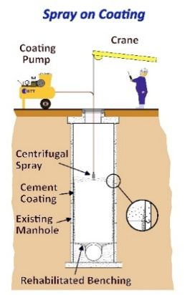
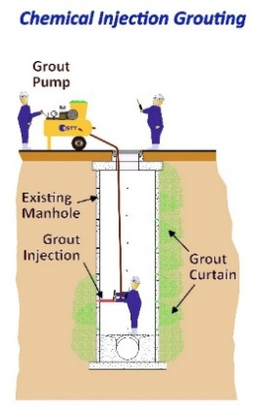


 |  |  |  |  |  |  |  |  |  |  |  | Auger Boring |  |  | Keyhole Drilling
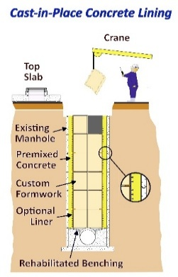
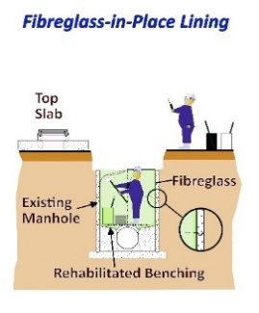
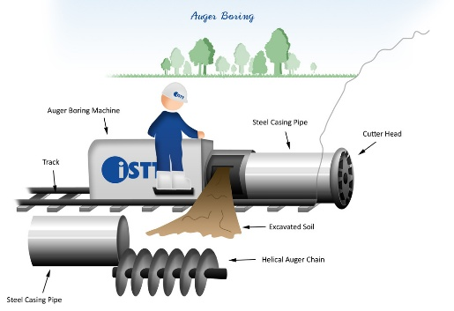
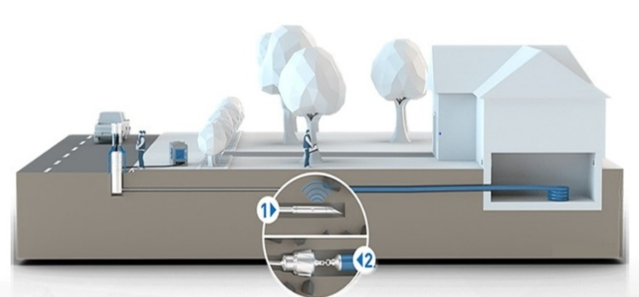
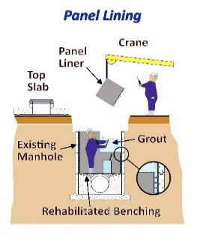

© 2026 ISTT

