Chart only - Metric size
 | TRENCHLESS TECHNOLOGIES - WALL CHART
Notes
The text sizing on this spreadsheet is designed for an A3 size sheet.
However, in Excel, when viewing at different zooms, the text may not appear to be in the correct proportion.
To print, first save as a PDF file (it will be A3 size), then print that pdf file onto whatever sheet you want eg A0.
International Society for Trenchless Technology
https://www.istt.com
Updated: 2025-05-20
 |  |  |  | KEY
 |  |  |  |  | Trenchless technology groupings

 |  |  |  |  |  | Trenchless technology / method

 |  |  |  |  |  |  | Trenchless method variation / sub-category

 |  |  |  |  |  |  |  |  |  |  |  |  |  |  |  |  |  |  | TRENCHLESS TECHNOLOGY |  |  |  |  |  |  |  |  |  |  |  |  |  |  |  |  | Revisions | TEC 2025-05-20 Amendments to Potholing, DSPT
 |  |  |  |  |  |  |  |  |  |  |  |  |  |  |  |  |  |  |  |  |  |  |  |  |  |  |  |  |  |  |  |  |  |  |  |  | TEC 2025-10-21 Amendments to Auger Boring

 |  |  |  |  | New Installation |  |  |  |  |  |  |  |  |  |  |  | Rehabilitation |  |  |  |  |  |  |  |  |  |  |  |  |  | Investigation / Assessment

 | Allied Technologies |  |  |  |  |  |  | Trenchless Installations |  |  |  | Replacement |  |  |  |  |  |  |  | Renovation/Repair |  |  |  |  |  |  | Site Investigation |  |  |  |  | Asset Condition Assessment

 |  | Reduced Surface Disturbance |  |  |  |  |  |  | Horizontal Directional Drilling (HDD) |  |  |  | Within Existing Pipe |  |  |  |  |  |  |  | Renovation |  |  |  |  |  |  | Asset Location |  |  |  |  | Inspection Application

 |  |  | Mole Ploughing |  |  |  |  |  |  | Method scale |  |  |  | Fully-independent Rehabilitation |  |  |  |  |  |  |  | Inserted Liner |  |  |  |  |  |  | Asset Tracing |  |  |  |  | Preliminary Inspection

 |  |  | Mini-trench / Micro-trench |  |  |  |  |  |  |  | Mini-HDD |  |  | Replacement Slip Lining |  |  |  |  |  |  |  |  | Loose-fit or Close-fit Lining |  |  |  |  |  |  | Sonde Techniques |  |  |  | Mainline Pipe / Tunnel Inspection

 |  | Potholing/Keyholing, Coring, Vacuum Excavation |  |  |  |  |  |  |  |  | Midi-HDD |  |  |  | Continuous Pipe |  |  |  |  |  |  |  |  | Renovation Slip Lining |  |  |  |  |  | Impressed Signal Techniques |  |  |  | Lateral / Small Pipe Inspection

 |  | Conventional Tunneling |  |  |  |  |  |  |  |  | Maxi-HDD |  |  |  | With Pipe Segments |  |  |  |  |  |  |  |  |  | Inserted Pipe |  |  |  |  | Internal Survey Techniques |  |  |  | Manhole / Chamber Inspection

 |  |  | Soil/Rock TBM |  |  |  |  |  |  | Drilling/Steering Mechanism |  |  | Existing Pipe Displaced |  |  |  |  |  |  |  |  |  |  |  |  | Continuous Pipe |  |  |  | Smoke and Dye Testing |  |  | Visual/Laser Inspection

 |  |  | Soft-ground Shield |  |  |  |  |  |  |  | Slant-face drill bit |  |  | Pipe Bursting |  |  |  |  |  |  |  |  |  |  |  | With Pipe Segments |  |  | Surface-based Techniques |  |  |  |  | Techniques

 |  |  | Drill and Blast |  |  |  |  |  |  |  | Bent Sub |  |  |  | Expander / Hammer Configuration |  |  |  |  |  |  |  |  |  | Inserted Hose |  |  |  |  | Ground Penetrating Radar (GPR) |  |  |  |  | CCTV

 |  |  | Other Technologies |  |  |  |  |  |  | Guidance |  |  |  |  | Pipe Fracture Mechanism |  |  |  |  |  |  |  |  |  |  | Adhesive-backed hose |  |  |  | Seismic / Sonar Techniques |  |  |  |  | Zoom Camera

 |  |  |  |  |  |  |  |  |  |  | Sonde |  |  |  |  | Pneumatic / Hydraulic Hammer |  |  |  |  |  |  |  |  |  | Non-adhered hose |  |  |  | Other Methods |  |  |  |  | Nozzle Camera

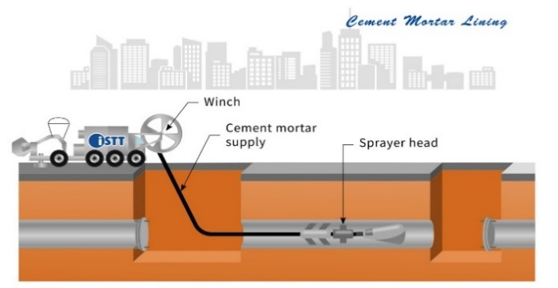
 |  |  |  |  |  |  |  |  |  |  | Wireline |  |  |  |  | Static Pull |  |  |  |  |  |  | Close-fit Lining |  |  |  |  |  | Potholing |  |  |  |  |  | Laser / LIDAR
 |  |  |  |  |  |  |  |  |  |  |  |  |  |  |  |  |  | `
 |  |  |  |  |  |  |  |  |  |  | Wireless |  |  |  | Assist Techniques |  |  |  |  |  |  |  |  | Cured-in-Place Pipe (CIPP) |  |  |  | Asset Environment |  |  |  |  |  | Deployment Methods |  |  |  | 0

 |  |  |  |  |  |  |  |  | Pipe Jacking / Microtunnelling |  |  |  |  | Pipe Splitting |  |  |  |  |  |  |  |  |  |  | Composition |  |  |  | Ground Investigation |  |  |  |  |  | Crawler Platform

 |  |  |  |  |  |  |  |  |  | Size |  |  | Existing Pipe Removed |  |  |  |  |  |  |  |  |  |  |  | Reinforcement |  |  |  |  | Geophysical Survey |  |  |  |  | Push-Pull Satellite Camera

 |  |  |  |  |  |  |  |  |  |  | Person-Entry |  |  | Pipe Reaming |  |  |  |  |  |  |  |  |  |  | Curing Process |  |  |  |  | Geochemical Survey |  |  |  |  | Float / Submersible

 |  |  |  |  |  |  |  |  |  |  | Non-Person-Entry |  |  | Pipe Eating |  |  |  |  |  |  |  |  |  |  | Insertion Process |  |  |  |  | Soil Sampling |  |  |  |  | Drone

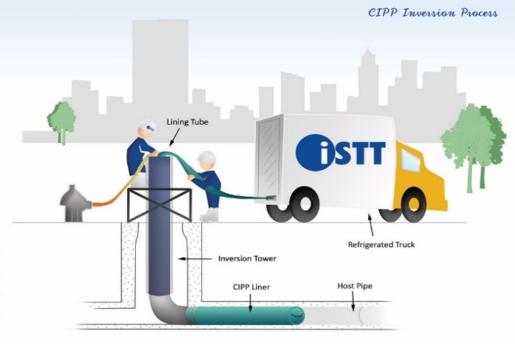
 |  |  |  |  |  |  |  |  |  | Alignment / Guidance |  |  |  | Pipe Extraction |  |  |  |  |  |  |  |  |  |  | Infiltration Sealing |  |  |  | Electromagnetic Environment |  |  |  | Structural Condition Assessment

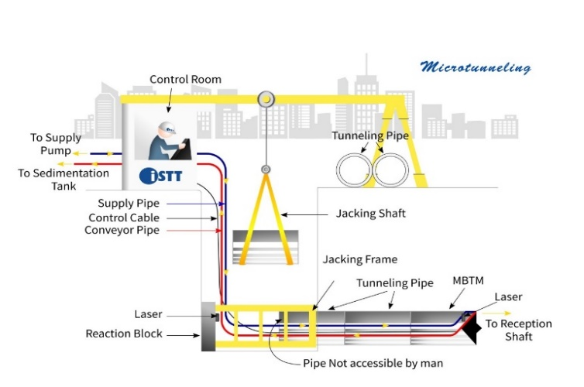
 |  |  |  |  |  |  |  |  |  |  | Straight / Laser |  |  |  |  |  |  |  |  |  |  |  |  | Other Close-fit Lining |  |  |  |  |  | Electrical Tomography |  |  |  | Wall Condition / Thickness

 |  |  |  |  |  |  |  |  |  |  | Curved / Gyroscopic |  |  |  |  |  |  |  |  |  |  |  |  |  | Swaged Lining |  |  |  |  | Resistivity Measurements |  |  |  |  | Electromagnetic Methods

 |  |  |  |  |  |  |  |  |  | Face Support |  |  |  |  |  |  |  |  |  |  |  |  |  |  | Rolled Down Lining |  |  |  | Thermal Environment |  |  |  |  |  | Acoustic Methods

 |  |  |  |  |  |  |  |  |  |  | Slurry |  |  |  |  |  |  |  |  |  |  |  |  |  | Fold-and-Form |  |  |  |  | Infrared Scanning |  |  |  |  | Infrared Scanning

 |  |  |  |  |  |  |  |  |  |  | Earth-Pressure Balance (EPB) |  |  |  |  |  |  |  |  |  |  |  |  |  | Melt-in-Place-Pipe (MIPP) |  |  |  | Groundwater Monitoring |  |  |  |  |  | Wall Impact Methods

 |  |  |  |  |  |  |  |  |  |  | Auger |  |  |  |  |  |  |  |  |  |  |  |  |  | Spiral-Wound |  |  |  |  | Depth / Elevation |  |  |  |  | Nuclear Methods

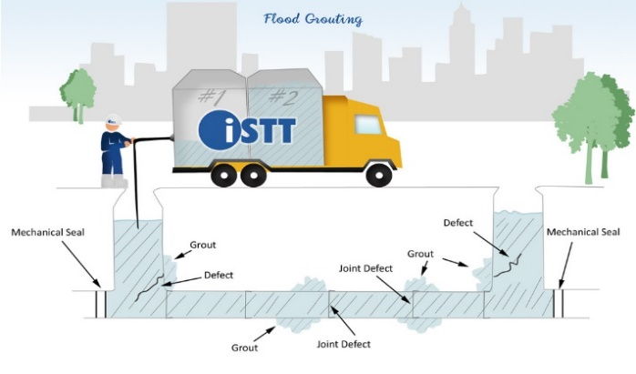
 |  |  |  |  |  |  |  |  |  |  | Other |  |  |  |  |  |  |  |  |  |  |  |  |  | Grout-in-Place Hose |  |  |  |  | Quality |  |  |  | Structural Response Sensors

 |  |  |  |  |  |  |  |  |  | Spoil Handling |  |  |  |  |  |  |  |  |  |  |  | Surface-applied Lining |  |  |  |  |  |  |  |  |  |  |  |  | Discrete Stress-Strain Sensors
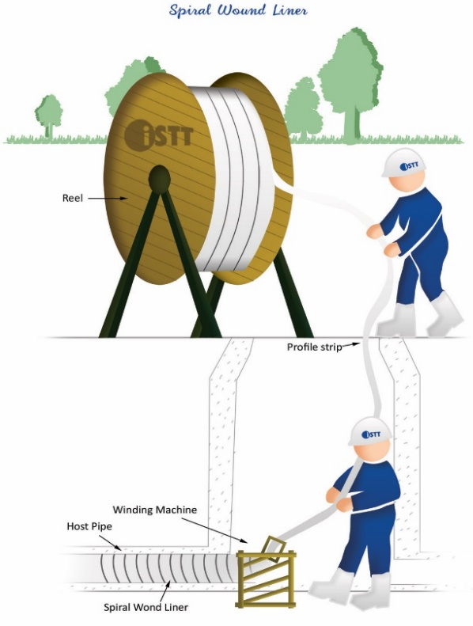
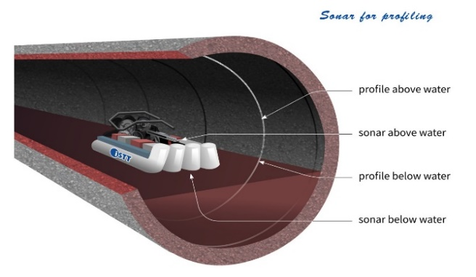
 |  |  |  |  |  |  |  |  |  |  | Slurry |  |  |  |  |  |  |  |  |  |  |  | Cement / Mortar Lining |  |  |  |  |  |  |  |  |  |  |  | Fiber Optic Sensors

 |  |  |  |  |  |  |  |  |  |  | Conveyor |  |  |  |  |  |  |  |  |  |  |  | Polymeric Coating / Lining |  |  |  |  |  |  |  |  |  |  |  | Acoustic Sensors

 |  |  |  |  |  |  |  |  |  |  | Vacuum Extraction |  |  |  |  |  |  |  |  |  |  |  | Panel Lining |  |  |  |  |  |  |  |  |  |  | External Void Detection

 |  |  |  |  |  |  |  |  |  |  | Muck Cart |  |  |  |  |  |  |  |  |  |  |  | Troweled or Sprayed Structural Lining |  |  |  |  |  |  |  |  |  |  |  | Ground Penetrating Radar (GPR)

 |  |  |  |  |  |  |  |  | Auger Boring |  |  |  |  |  |  |  |  |  |  |  | Repair |  |  |  |  |  |  |  |  |  |  |  |  |  | In-pipe GPR
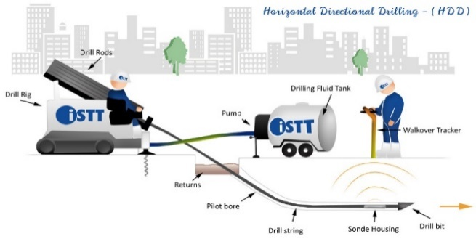
 |  |  |  |  |  |  |  |  | Direct Steerable Pipe Thrusting (DSPT) |  |  |  |  |  |  |  |  |  |  |  |  | Non-structural (Sealing) |  |  |  |  |  |  |  |  |  |  |  |  | Infrared Scanning

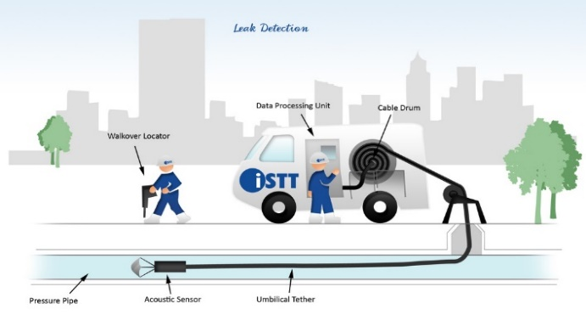
 |  |  |  |  |  |  |  |  | Ramming / Impact |  |  |  |  |  |  |  |  |  |  |  |  |  | Joint Grouting |  |  |  |  |  |  |  |  |  |  |  | Ultrasound Methods

 |  |  |  |  |  |  |  |  |  | Pipe Ramming |  |  |  |  |  |  |  |  |  |  |  |  | Flood Grouting |  |  |  |  |  |  |  |  |  |  |  | Nuclear Methods

 |  |  |  |  |  |  |  |  |  | Impact Moling |  |  |  |  |  |  |  |  |  |  |  |  | Mechanical Seals |  |  |  |  |  |  |  |  |  | Operational Performance Assessment

 |  |  |  |  |  |  |  |  | Hybrid Methods |  |  |  |  |  |  |  |  |  |  |  |  | Structural |  |  |  |  |  |  |  |  |  |  |  | Infiltration / Inflow (Gravity Pipes)

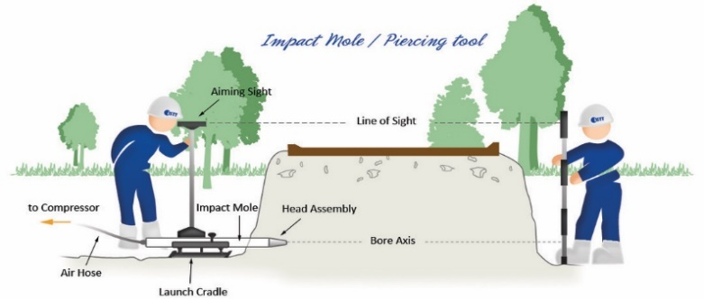
 |  |  |  |  |  |  |  |  |  | Pilot Tube Assist Technologies |  |  |  |  |  |  |  |  |  |  |  |  | Robotic Spot Repair |  |  |  |  |  |  |  |  |  |  |  | System Flow Monitoring

 |  |  |  |  |  |  |  |  |  | Ram-assist Technologies |  |  |  |  |  |  |  |  |  |  |  |  | CIPP Patch Repair |  |  |  |  |  |  |  |  |  |  |  | Flow Quality (Chemical / Biological)

 |  |  |  |  |  |  |  |  |  | Keyhole Drilling |  |  |  |  |  |  |  |  |  |  |  |  | Lateral Junction CIP Repair |  |  |  |  |  |  |  |  |  |  |  | In-pipe Camera Observation

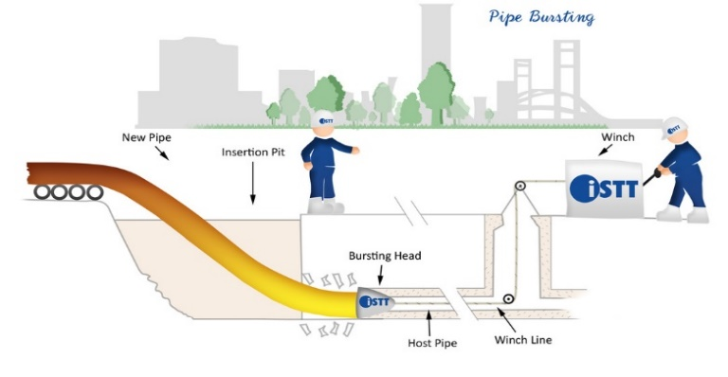
 |  |  |  |  |  |  |  |  |  |  |  |  |  |  |  |  |  |  |  |  |  |  | Potholing for Local Repair |  |  |  |  |  |  |  |  |  |  |  | Smoke and Dye Testing

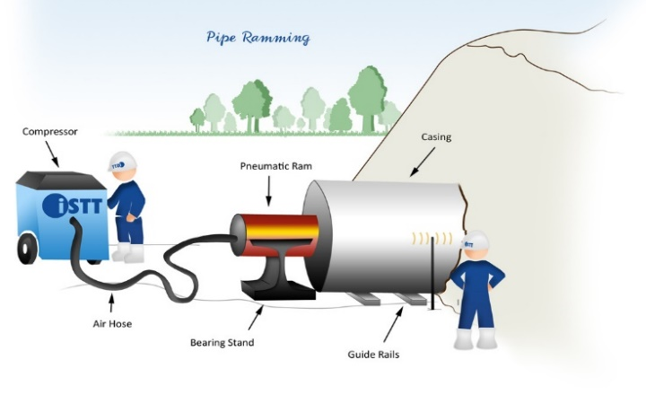
 |  |  |  |  |  |  |  |  |  |  |  |  |  |  |  |  |  |  |  |  | Manhole Rehabilitation |  |  |  |  |  |  |  |  |  |  |  |  |  | Overflow Detection
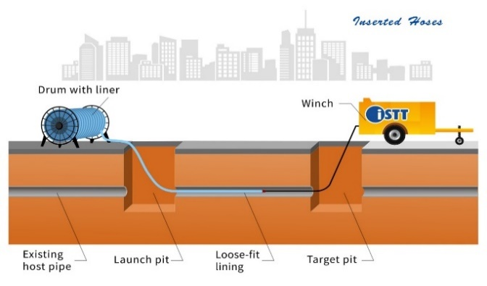
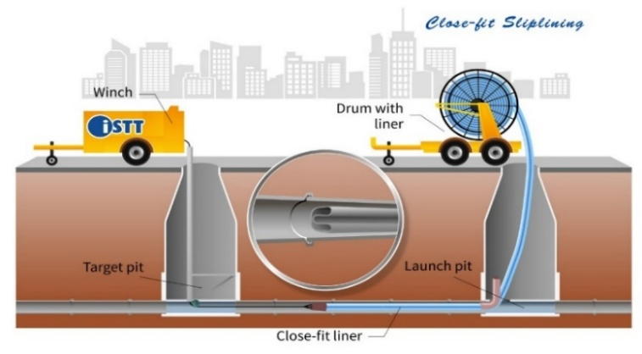
 |  |  |  |  |  |  |  |  |  |  |  |  |  |  |  |  |  |  |  |  |  |  |  |  |  |  |  |  |  |  |  |  |  | Leak Detection (Pressure Pipes)

 |  |  |  |  |  |  |  |  |  |  |  |  |  |  |  |  |  |  |  |  |  |  |  |  |  |  |  |  |  |  |  |  |  |  | Flow Quantity Monitoring

 |  |  |  |  |  |  |  |  |  |  |  |  |  |  |  |  |  |  |  |  |  |  |  |  |  |  |  |  |  |  |  |  |  |  | Leak Signature Detection

 |  |  |  |  |  |  |  |  |  |  |  |  |  |  |  |  |  |  |  |  |  |  |  |  |  |  |  |  |  |  |  |  |  |  | Pressure Monitoring and Detection

 |  |  |  |  |  |  |  |  |  |  |  |  |  |  |  |  |  |  |  |  |  |  |  |  |  |  |  |  |  |  |  |  |  |  | Aboveground Surveys

© 2025 ISTT |  |  |  |  |  |  |  |  |  |  |  |  |  |  |  |  |  |  |  |  |  |  |  |  |  |  |  |  |  |  |  |  |  | Valves, Safety Equip, Appurtenances

